LDBOND
LIC MF MEDIUM TO LONG DURATION BOND FUND (FORMERLY LIC MF BOND FUND ) |  |  |  |  |  |  | Index

Monthly Portfolio Statement as on December 31,2023
Name of the Instrument | ISIN | Industry / Rating | Quantity | Market/Fair Value (Rounded, Rs. In Lacs) | Rounded, % to Net Assets | Yield

Debt Instruments
(a)Listed / Awaiting listing on stock Exchanges
7.7% State Government of Maharashtra | IN2220220205 | SOVEREIGN | 4,000,000.000 | 4,114.18 | 22.55% | 7.78%
7.71% State Government of Maharashtra | IN2220230139 | SOVEREIGN | 2,750,000.000 | 2,795.80 | 15.32% | 7.78%
7.8% State Government of Gujarat | IN1520220055 | SOVEREIGN | 2,500,000.000 | 2,616.84 | 14.34% | 7.75%
7.18% Government of India | IN0020230085 | SOVEREIGN | 2,500,000.000 | 2,568.71 | 14.08% | 7.30%
7.26% Government of India | IN0020220060 | SOVEREIGN | 1,600,000.000 | 1,646.25 | 9.02% | 7.34%
7.64% State Government of Maharashtra | IN2220220114 | SOVEREIGN | 1,500,000.000 | 1,534.17 | 8.41% | 7.73%
8.0% HDFC Bank Ltd. ** | INE040A08807 | CRISIL AAA | 100.000 | 1,041.68 | 5.71% | 7.87%
7.82% State Government of Gujarat | IN1520220030 | SOVEREIGN | 500,000.000 | 506.76 | 2.78% | 7.75%
6.95% State Government of Gujarat | IN1520210056 | SOVEREIGN | 500,000.000 | 499.33 | 2.74% | 7.68%
7.86% State Government of Haryana | IN1620220112 | SOVEREIGN | 400,000.000 | 405.97 | 2.23% | 7.77%
7.26% Government of India | IN0020220151 | SOVEREIGN | 50,000.000 | 51.69 | 0.28% | 7.32%
Sub Total |  |  |  | 17,781.38 | 97.46%

(b)Privately Placed/Unlisted
Sub Total |  |  |  | NIL | NIL

(c)Securitised Debt Instruments
Sub Total |  |  |  | NIL | NIL

TOTAL |  |  |  | 17,781.38 | 97.46%

Others
Alternative Investment Fund
SBI CDMDF--A2 | INF0RQ622028 |  | 356.982 | 36.00 | 0.20%

TOTAL |  |  |  | 36.00 | 0.20%

Treps / Reverse Repo
Treps |  |  |  | 478.59 | 2.62%
Sub Total |  |  |  | 478.59 | 2.62%

TOTAL |  |  |  | 478.59 | 2.62%
Net Receivables / (Payables) |  |  |  | (51.87) | (0.28%)
GRAND TOTAL |  |  |  | 18,244.10 | 100.00%

** Non Traded Security

“The bonds of 9% Yes Bank SR AT 1 DOA 18-OCT-17 held by the transferor scheme IDBI Credit Risk Fund was fully provided for in the books by IDBI Mutual Fund before the merger. Recovery (if any) against this paper in future date, shall be written back in LICMF Bond Fund (transferee Scheme), as per applicable regulatory provisions”.

The product is suitable for investors who are seeking* | Riskometer - Scheme | First Tier Benchmark | Riskometer - First Tier Benchmark
LIC MF MEDIUM TO LONG DURATION BOND FUND | 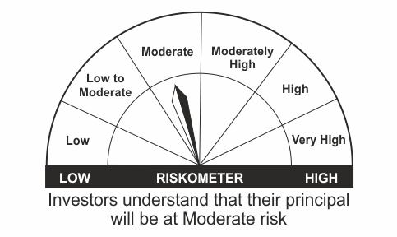 |  | 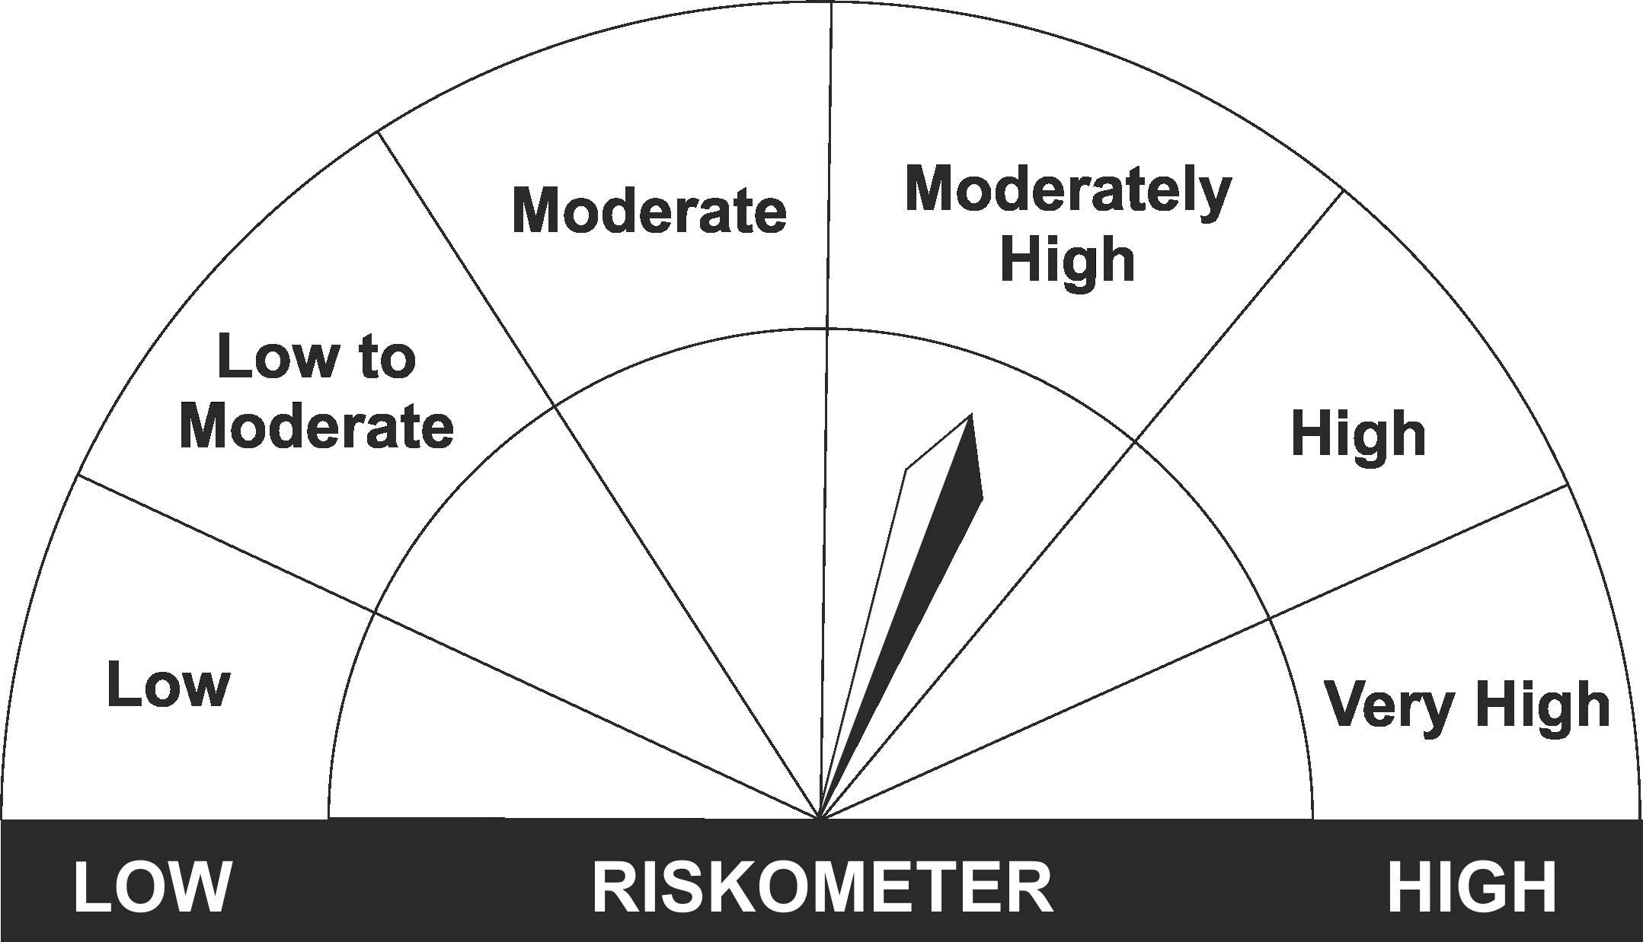
•Income Over Medium to long term |  | CRISIL Medium to Long Duration Fund BIII Index
•To generate income/capital appreciation through investments in Debt / Money Market Instruments
•Risk – Moderate |  | •Risk - Moderately High
“The Scheme and Benchmark riskometer disclosed above is latest available riskometer, for any updates please visit the AMC’s website (https://www.licmf.com/downloads/risk-o-meter-disclosure).

*Investors should consult their financial advisers if in doubt about whether the product is suitable for them.
Mutual Fund investments are subject to market risks, read all scheme related documents carefully.

 | Potential Risk Class
LIC MF MEDIUM TO LONG DURATION BOND FUND | Credit Risk | Relatively Low (Class A) | Moderate (Class B) | Relatively High (Class C)
 | Interest Rate Risk
 | Relatively Low (Class I)
 | Moderate (Class II)
 | Relatively High (Class III) |  | B-III

 | Portfolio Information
Scheme Name : | LIC MF MEDIUM TO LONG DURATION BOND FUND
Description (if any) | Medium to Long Duration Fund
Annualised Portfolio YTM* : | 7.61
Macaulay Duration | 6.40
Residual Maturity | 8.52
As on (Date) | 31st December 2023

LDGETF
LIC MF NIFTY 8-13 YR G-SEC ETF | NSE Symbol: LICNETFGSC |  |  |  |  |  | Index

Monthly Portfolio Statement as on December 31,2023
Name of the Instrument | ISIN | Industry / Rating | Quantity | Market/Fair Value (Rounded, Rs. In Lacs) | Rounded, % to Net Assets | Yield

Debt Instruments
(a)Listed / Awaiting listing on stock Exchanges
7.18% Government of India | IN0020230085 | SOVEREIGN | 59,671,100.000 | 61,311.03 | 53.42% | 7.30%
7.26% Government of India | IN0020220151 | SOVEREIGN | 26,540,000.000 | 27,434.84 | 23.90% | 7.32%
7.26% Government of India | IN0020220060 | SOVEREIGN | 25,000,000.000 | 25,722.65 | 22.41% | 7.34%
Sub Total |  |  |  | 114,468.52 | 99.73%

(b)Privately Placed/Unlisted
Sub Total |  |  |  | NIL | NIL

(c)Securitised Debt Instruments
Sub Total |  |  |  | NIL | NIL

TOTAL |  |  |  | 114,468.52 | 99.74%

Treps / Reverse Repo
Treps |  |  |  | 178.35 | 0.16%
Sub Total |  |  |  | 178.35 | 0.16%

TOTAL |  |  |  | 178.35 | 0.16%
Net Receivables / (Payables) |  |  |  | 122.71 | 0.10%
GRAND TOTAL |  |  |  | 114,769.58 | 100.00%

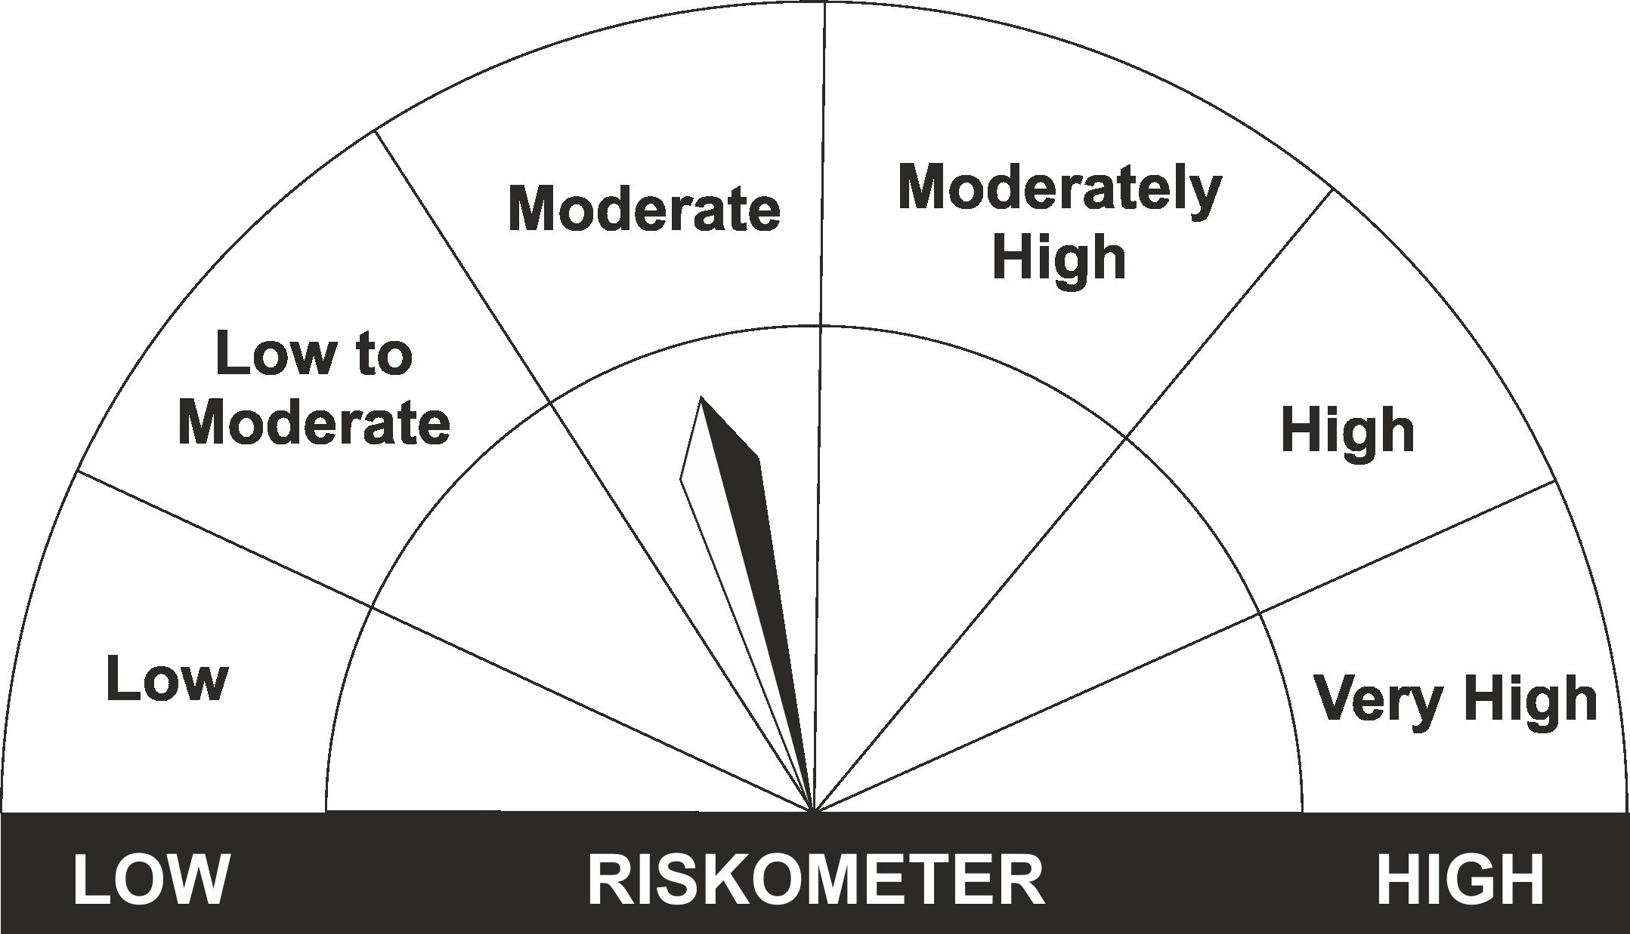
The product is suitable for investors who are seeking* | Riskometer - Scheme | First Tier Benchmark | Riskometer - First Tier Benchmark
LIC MF Nifty 8-13 yr G-Sec ETF
•Medium to long term regular Income. |  | Nifty 8-13 yr G-Sec
•Investment in securities in line with Nifty 8- 13 Yr G-Sec Index to generate comparable returns subject to tracking error.
•Risk - Moderate |  | •Risk - Moderate
“The Scheme and Benchmark riskometer disclosed above is latest available riskometer, for any updates please visit the AMC’s website (https://www.licmf.com/downloads/risk-o-meter-disclosure).

*Investors should consult their financial advisers if in doubt about whether the product is suitable for them.
Mutual Fund investments are subject to market risks, read all scheme related documents carefully.

 | Potential Risk Class
LIC MF NIFTY 8-13 YR G-SEC ETF | Credit Risk | Relatively Low (Class A) | Moderate (Class B) | Relatively High (Class C)
 | Interest Rate Risk
 | Relatively Low (Class I)
 | Moderate (Class II)
 | Relatively High (Class III) | A-III

 | Portfolio Information
Scheme Name : | LIC MF Nifty 8-13 yr G-Sec ETF
Description (if any) | Other ETFs
Annualised Portfolio YTM* : | 7.30
Macaulay Duration | 6.72
Residual Maturity | 8.88
As on (Date) | 31st December 2023

LDMIPF
LIC MF CONSERVATIVE HYBRID FUND (FORMERLY LIC MF DEBT HYBRID FUND ) |  |  |  |  |  |  | Index

Monthly Portfolio Statement as on December 31,2023
Name of the Instrument | ISIN | Industry / Rating | Quantity | Market/Fair Value (Rounded, Rs. In Lacs) | Rounded, % to Net Assets | Yield
Equity & Equity related
(a)Listed / Awaiting listing on Stock Exchanges
ICICI Bank Ltd. | INE090A01021 | Banks | 33,421.000 | 333.07 | 6.27%
Infosys Ltd. | INE009A01021 | IT - Software | 13,540.000 | 208.91 | 3.93%
HDFC Bank Ltd. | INE040A01034 | Banks | 8,307.000 | 141.99 | 2.67%
Hindustan Unilever Ltd. | INE030A01027 | Diversified FMCG | 4,274.000 | 113.86 | 2.14%
Reliance Industries Ltd. | INE002A01018 | Petroleum Products | 3,969.000 | 102.60 | 1.93%
Nestle India Ltd. | INE239A01016 | Food Products | 383.000 | 101.80 | 1.92%
Mahindra & Mahindra Ltd. | INE101A01026 | Automobiles | 5,184.000 | 89.65 | 1.69%
LTIMindtree Ltd. | INE214T01019 | IT - Software | 1,341.000 | 84.42 | 1.59%
Sub Total |  |  |  | 1,176.30 | 22.14%
(b) Unlisted
Sub Total |  |  |  | NIL | NIL

TOTAL |  |  |  | 1,176.30 | 22.14%

Debt Instruments
(a)Listed / Awaiting listing on stock Exchanges
7.38% Government of India | IN0020220037 | SOVEREIGN | 1,050,000.000 | 1,061.68 | 19.98% | 7.21%
8.03% State Government of Karnataka | IN1920170165 | SOVEREIGN | 500,000.000 | 527.15 | 9.92% | 7.57%
7.65% State Government of Tamil Nadu | IN3120230260 | SOVEREIGN | 500,000.000 | 508.29 | 9.57% | 7.78%
7.17% Government of India | IN0020230036 | SOVEREIGN | 500,000.000 | 508.09 | 9.56% | 7.27%
7.26% Government of India | IN0020220060 | SOVEREIGN | 450,000.000 | 463.01 | 8.71% | 7.34%
7.1% Government of India | IN0020220011 | SOVEREIGN | 450,000.000 | 455.81 | 8.58% | 7.26%
6.69% Government of India | IN0020220052 | SOVEREIGN | 300,000.000 | 299.65 | 5.64% | 7.23%
5.63% Government of India | IN0020210012 | SOVEREIGN | 250,000.000 | 245.55 | 4.62% | 7.21%
8.49% NTPC Ltd. ** | INE733E07JP6 | CRISIL AAA | 49,895.833 | 5.13 | 0.10% | 7.64%
Sub Total |  |  |  | 4,074.36 | 76.68%

(b)Privately Placed/Unlisted
Sub Total |  |  |  | NIL | NIL

(c)Securitised Debt Instruments
Sub Total |  |  |  | NIL | NIL

TOTAL |  |  |  | 4,074.36 | 76.68%

Others
Alternative Investment Fund
SBI CDMDF--A2 | INF0RQ622028 |  | 157.192 | 15.85 | 0.30%

TOTAL |  |  |  | 15.85 | 0.30%

Treps / Reverse Repo
Treps |  |  |  | 71.05 | 1.34%
Sub Total |  |  |  | 71.05 | 1.34%

TOTAL |  |  |  | 71.05 | 1.34%
Net Receivables / (Payables) |  |  |  | (23.82) | (0.46%)
GRAND TOTAL |  |  |  | 5,313.74 | 100.00%

** Non Traded Security

The product is suitable for investors who are seeking* | Riskometer - Scheme | First Tier Benchmark | Riskometer - First Tier Benchmark
LIC MF CONSERVATIVE HYBRID FUND | 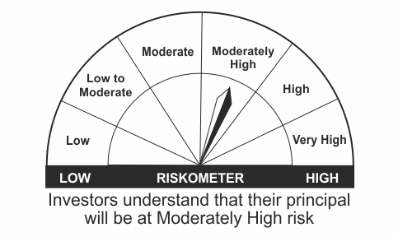
•Medium term capital appreciation with current income |  | CRISIL Hybrid 85+15 - Conservative Index
•A fund that invests predominantly in debt instruments with marginal equity exposure.
•Risk - Moderately High |  | •Risk - Moderately High
“The Scheme and Benchmark riskometer disclosed above is latest available riskometer, for any updates please visit the AMC’s website (https://www.licmf.com/downloads/risk-o-meter-disclosure).

*Investors should consult their financial advisers if in doubt about whether the product is suitable for them.
Mutual Fund investments are subject to market risks, read all scheme related documents carefully.

LDMNMF
LIC MF MONEY MARKET FUND |  |  |  |  |  |  | Index

Monthly Portfolio Statement as on December 31,2023
Name of the Instrument | ISIN | Industry / Rating | Quantity | Market/Fair Value (Rounded, Rs. In Lacs) | Rounded, % to Net Assets | Yield

Money Market Instruments

Treasury Bill
182 DAYS TBILL RED 09-05-2024 | IN002023Y334 | SOVEREIGN | 1,500,000.000 | 1,463.47 | 53.74% | 7.06%
Sub Total |  |  |  | 1,463.47 | 53.74%

TOTAL |  |  |  | 1,463.47 | 53.74%

Others
Alternative Investment Fund
SBI CDMDF--A2 | INF0RQ622028 |  | 195.190 | 19.68 | 0.72%

TOTAL |  |  |  | 19.68 | 0.72%

Treps / Reverse Repo
Treps |  |  |  | 1,235.73 | 45.37%
Sub Total |  |  |  | 1,235.73 | 45.37%

TOTAL |  |  |  | 1,235.73 | 45.37%
Net Receivables / (Payables) |  |  |  | 4.52 | 0.17%
GRAND TOTAL |  |  |  | 2,723.40 | 100.00%

The product is suitable for investors who are seeking* | Riskometer - Scheme | First Tier Benchmark | Riskometer - First Tier Benchmark
LIC MF Money Market Fund | 
•Income over short term. |  | NIFTY Money Market Index B-I
•Investment in money market instruments with maturity upto one year.
•Risk – Low |  | •Risk - Moderate
“The Scheme and Benchmark riskometer disclosed above is latest available riskometer, for any updates please visit the AMC’s website (https://www.licmf.com/downloads/risk-o-meter-disclosure).

*Investors should consult their financial advisers if in doubt about whether the product is suitable for them.
Mutual Fund investments are subject to market risks, read all scheme related documents carefully.

 | Potential Risk Class
LIC MF Money Market Fund | Credit Risk | Relatively Low (Class A) | Moderate (Class B) | Relatively High (Class C)
 | Interest Rate Risk
 | Relatively Low (Class I) |  | B-I
 | Moderate (Class II)
 | Relatively High (Class III)

 | Portfolio Information
Scheme Name : | LIC MF Money Market Fund
Description (if any) | Money Market Fund
Annualised Portfolio YTM* : | 6.89
Macaulay Duration | 0.19
Residual Maturity | 0.19
As on (Date) | 31st December 2023

LDONTF
LIC MF OVERNIGHT FUND |  |  |  |  |  |  | Index

Monthly Portfolio Statement as on December 31,2023
Name of the Instrument | ISIN | Industry / Rating | Quantity | Market/Fair Value (Rounded, Rs. In Lacs) | Rounded, % to Net Assets | Yield

Money Market Instruments

Treasury Bill
364 DAYS TBILL RED 18-01-2024 | IN002022Z424 | SOVEREIGN | 2,500,000.000 | 2,492.05 | 8.37% | 6.85%
364 DAYS TBILL RED 04-01-2024 | IN002022Z408 | SOVEREIGN | 500,000.000 | 499.72 | 1.68% | 6.85%
91 DAYS TBILL RED 11-01-2024 | IN002023X294 | SOVEREIGN | 500,000.000 | 499.07 | 1.68% | 6.80%
Sub Total |  |  |  | 3,490.84 | 11.72%

TOTAL |  |  |  | 3,490.84 | 11.72%

Treps / Reverse Repo
Treps |  |  |  | 26,273.03 | 88.21%
Sub Total |  |  |  | 26,273.03 | 88.21%

TOTAL |  |  |  | 26,273.03 | 88.21%
Net Receivables / (Payables) |  |  |  | 21.29 | 0.07%
GRAND TOTAL |  |  |  | 29,785.16 | 100.00%

The product is suitable for investors who are seeking* | Riskometer - Scheme | First Tier Benchmark | Riskometer - First Tier Benchmark
LIC MF Overnight Fund |  |  | 
•Income with high levels of safety and liquidity over short term. |  | NIFTY 1D Rate Index
•Investment in debt and money market instruments with overnight maturity.
•Risk – Low |  | •Risk – Low
“The Scheme and Benchmark riskometer disclosed above is latest available riskometer, for any updates please visit the AMC’s website (https://www.licmf.com/downloads/risk-o-meter-disclosure).

*Investors should consult their financial advisers if in doubt about whether the product is suitable for them.
Mutual Fund investments are subject to market risks, read all scheme related documents carefully.

 | Potential Risk Class
LIC MF Overnight Fund | Credit Risk | Relatively Low (Class A) | Moderate (Class B) | Relatively High (Class C)
 | Interest Rate Risk
 | Relatively Low (Class I) | A-I
 | Moderate (Class II)
 | Relatively High (Class III)

 | Portfolio Information
Scheme Name : | LIC MF Overnight Fund
Description (if any) | Overnight Fund
Annualised Portfolio YTM* : | 6.87
Macaulay Duration | 0.01
Residual Maturity | 0.01
As on (Date) | 31st December 2023

LDSAPF
LIC MF LOW DURATION FUND (FORMERLY LIC MF SAVINGS FUND ) |  |  |  |  |  |  | Index

Monthly Portfolio Statement as on December 31,2023
Name of the Instrument | ISIN | Industry / Rating | Quantity | Market/Fair Value (Rounded, Rs. In Lacs) | Rounded, % to Net Assets | Yield

Debt Instruments
(a)Listed / Awaiting listing on stock Exchanges
8.72% Shriram Finance Ltd. ** | INE721A07NO4 | CRISIL AA+ | 500.000 | 5,303.68 | 4.71% | 9.20%
7.13% Power Finance Corporation Ltd. ** | INE134E08LO4 | CRISIL AAA | 500.000 | 5,091.74 | 4.53% | 7.76%
7.77% REC Ltd. ** | INE020B08EP3 | CRISIL AAA | 5,000.000 | 5,058.82 | 4.50% | 7.75%
7.06% Government of India | IN0020230010 | SOVEREIGN | 3,000,000.000 | 3,044.54 | 2.71% | 7.21%
Bajaj Finance Ltd. (ZCB) ** | INE296A07RY7 | CRISIL AAA | 250.000 | 2,716.48 | 2.41% | 8.10%
7.18% State Government of Tamil Nadu | IN3120170078 | SOVEREIGN | 2,500,000.000 | 2,556.95 | 2.27% | 7.58%
5.23% National Bk for Agriculture & Rural Dev. ** | INE261F08DI1 | CRISIL AAA | 250.000 | 2,554.96 | 2.27% | 7.82%
5.27% National Bk for Agriculture & Rural Dev. ** | INE261F08DF7 | CRISIL AAA | 250.000 | 2,521.83 | 2.24% | 7.82%
8.65% Power Finance Corporation Ltd. ** | INE134E08GV9 | CRISIL AAA | 250.000 | 2,520.35 | 2.24% | 7.84%
7.57% REC Ltd. ** | INE020B08DU5 | CRISIL AAA | 250.000 | 2,519.77 | 2.24% | 8.10%
7.5% National Bk for Agriculture & Rural Dev. ** | INE261F08DT8 | CRISIL AAA | 230.000 | 2,297.63 | 2.04% | 7.82%
7.77% Power Finance Corporation Ltd. ** | INE134E08MC7 | CRISIL AAA | 1,500.000 | 1,594.40 | 1.42% | 7.75%
Sub Total |  |  |  | 37,781.15 | 33.58%

(b)Privately Placed/Unlisted
Sub Total |  |  |  | NIL | NIL

(c)Securitised Debt Instruments
Sub Total |  |  |  | NIL | NIL

TOTAL |  |  |  | 37,781.15 | 33.58%

Money Market Instruments

Certificate of Deposit
Canara Bank ** # | INE476A16WS8 | CRISIL A1+ | 1,000.000 | 4,946.99 | 4.40% | 7.38%
Axis Bank Ltd. ** # | INE238AD6561 | CRISIL A1+ | 1,000.000 | 4,825.75 | 4.29% | 7.66%
HDFC Bank Ltd. ** # | INE040A16DY0 | CRISIL A1+ | 1,000.000 | 4,796.49 | 4.26% | 7.78%
IndusInd Bank Ltd. ** # | INE095A16T81 | CRISIL A1+ | 1,000.000 | 4,732.25 | 4.21% | 7.88%
ICICI Bank Ltd. ** # | INE090AD6071 | CRISIL A1+ | 1,000.000 | 4,696.34 | 4.17% | 7.81%
Axis Bank Ltd. ** # | INE238AD6579 | CRISIL A1+ | 1,000.000 | 4,666.05 | 4.15% | 7.84%
Kotak Mahindra Bank Ltd. ** # | INE237A163T3 | CRISIL A1+ | 500.000 | 2,445.52 | 2.17% | 7.60%
Kotak Mahindra Bank Ltd. ** # | INE237A166T6 | CRISIL A1+ | 500.000 | 2,434.61 | 2.16% | 7.60%
HDFC Bank Ltd. ** # | INE040A16DZ7 | CRISIL A1+ | 500.000 | 2,416.75 | 2.15% | 7.62%
Small Industries Development Bk of India ** # | INE556F16AL7 | CRISIL A1+ | 500.000 | 2,412.85 | 2.14% | 7.67%
Kotak Mahindra Bank Ltd. ** # | INE237A160V5 | CRISIL A1+ | 500.000 | 2,350.15 | 2.09% | 7.81%
Sub Total |  |  |  | 40,723.75 | 36.19%

Commercial Paper
Tata Capital Housing Finance Ltd. ** | INE033L14MN1 | CRISIL A1+ | 1,300.000 | 6,233.71 | 5.54% | 7.84%
Shriram Finance Ltd. ** | INE721A14DJ1 | CRISIL A1+ | 1,000.000 | 4,918.73 | 4.37% | 8.15%
Cholamandalam Investment & Fin Co Ltd. ** | INE121A14VH0 | ICRA A1+ | 500.000 | 2,473.27 | 2.20% | 8.05%
L & T Finance Ltd. ** | INE027E14OD5 | CRISIL A1+ | 500.000 | 2,462.04 | 2.19% | 7.93%
HDFC Bank Ltd. ** | INE040A14276 | CRISIL A1+ | 500.000 | 2,441.57 | 2.17% | 8.24%
L & T Finance Ltd. ** | INE027E14OH6 | CRISIL A1+ | 500.000 | 2,438.44 | 2.17% | 8.16%
HDFC Bank Ltd. ** | INE040A14318 | CRISIL A1+ | 500.000 | 2,422.87 | 2.15% | 8.24%
Birla Group Holdings Pvt Ltd. ** | INE09OL14EE5 | CRISIL A1+ | 220.000 | 1,088.10 | 0.97% | 8.15%
Sub Total |  |  |  | 24,478.73 | 21.76%

Treasury Bill
182 DAYS TBILL RED 04-01-2024 | IN002023Y144 | SOVEREIGN | 2,500,000.000 | 2,498.60 | 2.22% | 6.81%
182 DAYS TBILL RED 25-01-2024 | IN002023Y177 | SOVEREIGN | 2,500,000.000 | 2,488.85 | 2.21% | 6.82%
182 DAYS TBILL RED 11-01-2024 | IN002023Y151 | SOVEREIGN | 2,000,000.000 | 1,996.27 | 1.77% | 6.82%
Sub Total |  |  |  | 6,983.72 | 6.21%

TOTAL |  |  |  | 72,186.20 | 64.16%

Others
Alternative Investment Fund
SBI CDMDF--A2 | INF0RQ622028 |  | 1,778.711 | 179.35 | 0.16%

TOTAL |  |  |  | 179.35 | 0.16%

Treps / Reverse Repo
Treps |  |  |  | 2,271.71 | 2.02%
Sub Total |  |  |  | 2,271.71 | 2.02%

TOTAL |  |  |  | 2,271.71 | 2.02%
Net Receivables / (Payables) |  |  |  | 93.40 | 0.08%
GRAND TOTAL |  |  |  | 112,511.81 | 100.00%

# Unlisted Security
** Non Traded Security
ZCB - Zero Coupon Bond

The product is suitable for investors who are seeking* | Riskometer - Scheme | First Tier Benchmark | Riskometer - First Tier Benchmark
LIC MF LOW DURATION FUND | 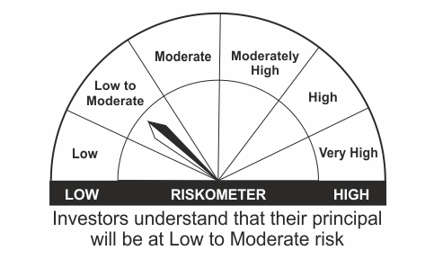
•Income for short term |  | CRISIL Low Duration Fund BI Index
•A fund that focuses on low duration securities.
•Risk – Low to Moderate |  | •Risk - Moderate
“The Scheme and Benchmark riskometer disclosed above is latest available riskometer, for any updates please visit the AMC’s website (https://www.licmf.com/downloads/risk-o-meter-disclosure).

*Investors should consult their financial advisers if in doubt about whether the product is suitable for them.
Mutual Fund investments are subject to market risks, read all scheme related documents carefully.

 | Potential Risk Class
LIC MF LOW DURATION FUND | Credit Risk | Relatively Low (Class A) | Moderate (Class B) | Relatively High (Class C)
 | Interest Rate Risk
 | Relatively Low (Class I) |  | B-I
 | Moderate (Class II)
 | Relatively High (Class III)

$ “This scheme has exposure to floating rate instruments and / or interest rate derivatives. The duration of these instruments is linked to the interest rate reset period. The interest rate risk in a floating rate instrument or in a fixed rate instrument hedged with derivatives is likely to be lesser than that in an equivalent maturity fixed rate instrument. Under some market circumstances the volatility may be of an order greater than what may ordinarily be expected considering only its duration. Hence investors are recommended to consider the unadjusted portfolio maturity of the scheme as well and exercise adequate due diligence when deciding to make their investments”.

 | Portfolio Information
Scheme Name : | LIC MF LOW DURATION FUND
Description (if any) | Low Duration Fund
Annualised Portfolio YTM* : | 7.77
Macaulay Duration | 0.89
Residual Maturity | 0.92
As on (Date) | 31st December 2023

LLIQDF
LIC MF LIQUID FUND |  |  |  |  |  |  | Index

Monthly Portfolio Statement as on December 31,2023
Name of the Instrument | ISIN | Industry / Rating | Quantity | Market/Fair Value (Rounded, Rs. In Lacs) | Rounded, % to Net Assets | Yield

Money Market Instruments

Certificate of Deposit
Punjab National Bank ** # | INE160A16NW9 | CRISIL A1+ | 10,000.000 | 49,500.45 | 4.85% | 7.37%
Indian Bank ** # | INE562A16LL3 | FITCH A1+ | 6,000.000 | 29,736.00 | 2.91% | 7.36%
Canara Bank ** # | INE476A16WY6 | CRISIL A1+ | 6,000.000 | 29,612.40 | 2.90% | 7.35%
Small Industries Development Bk of India ** # | INE556F16AF9 | CRISIL A1+ | 4,000.000 | 19,879.90 | 1.95% | 7.35%
Indian Bank ** # | INE562A16LK5 | FITCH A1+ | 4,000.000 | 19,859.74 | 1.94% | 7.37%
Bank of Baroda ** # | INE028A16EC9 | FITCH A1+ | 4,000.000 | 19,820.40 | 1.94% | 7.35%
HDFC Bank Ltd. ** # | INE040A16EB6 | CRISIL A1+ | 4,000.000 | 19,800.64 | 1.94% | 7.35%
IDFC First Bank Ltd. ** # | INE092T16VS5 | ICRA A1+ | 4,000.000 | 19,771.06 | 1.94% | 7.42%
Punjab National Bank ** # | INE160A16OC9 | CRISIL A1+ | 4,000.000 | 19,742.12 | 1.93% | 7.34%
Punjab National Bank ** # | INE160A16NH0 | CRISIL A1+ | 4,000.000 | 19,738.20 | 1.93% | 7.34%
Bank of Baroda ** # | INE028A16EK2 | FITCH A1+ | 3,000.000 | 14,780.51 | 1.45% | 7.32%
National Bk for Agriculture & Rural Dev. ** # | INE261F16694 | CRISIL A1+ | 2,500.000 | 12,409.86 | 1.22% | 7.36%
Canara Bank ** # | INE476A16WU4 | CRISIL A1+ | 2,000.000 | 9,972.21 | 0.98% | 7.27%
Bank of Baroda ** # | INE028A16EB1 | FITCH A1+ | 2,000.000 | 9,944.31 | 0.97% | 7.30%
Axis Bank Ltd. ** # | INE238AD6611 | CRISIL A1+ | 2,000.000 | 9,829.09 | 0.96% | 7.38%
National Bk for Agriculture & Rural Dev. ** # | INE261F16686 | CRISIL A1+ | 1,500.000 | 7,466.88 | 0.73% | 7.36%
Bank of Baroda ** # | INE028A16EA3 | FITCH A1+ | 1,500.000 | 7,464.17 | 0.73% | 7.30%
Sub Total |  |  |  | 319,327.94 | 31.26%

Commercial Paper
Birla Group Holdings Pvt Ltd. ** | INE09OL14EE5 | CRISIL A1+ | 6,600.000 | 32,642.87 | 3.20% | 8.15%
Small Industries Development Bk of India ** | INE556F14JU4 | CRISIL A1+ | 6,000.000 | 29,854.74 | 2.92% | 7.40%
National Bk for Agriculture & Rural Dev. ** | INE261F14KL8 | CRISIL A1+ | 6,000.000 | 29,688.48 | 2.91% | 7.37%
National Bk for Agriculture & Rural Dev. ** | INE261F14KO2 | CRISIL A1+ | 6,000.000 | 29,565.39 | 2.89% | 7.35%
ICICI Securities Ltd. ** | INE763G14RA9 | CRISIL A1+ | 6,000.000 | 29,499.03 | 2.89% | 8.05%
Reliance Retail Ventures Ltd. ** | INE929O14BE6 | CRISIL A1+ | 5,000.000 | 24,697.05 | 2.42% | 7.46%
National Bk for Agriculture & Rural Dev. ** | INE261F14KG8 | CRISIL A1+ | 4,000.000 | 19,967.88 | 1.96% | 7.34%
Reliance Retail Ventures Ltd. ** | INE929O14BB2 | CRISIL A1+ | 4,000.000 | 19,822.00 | 1.94% | 7.45%
HDFC Securities Ltd. ** | INE700G14HU0 | CRISIL A1+ | 4,000.000 | 19,678.26 | 1.93% | 8.06%
HDFC Securities Ltd. ** | INE700G14HX4 | CRISIL A1+ | 4,000.000 | 19,652.62 | 1.92% | 8.06%
Motilal Oswal Financial Services Ltd. ** | INE338I14FT1 | CRISIL A1+ | 3,000.000 | 14,951.40 | 1.46% | 8.48%
Shriram Finance Ltd. ** | INE721A14DN3 | CRISIL A1+ | 3,000.000 | 14,812.98 | 1.45% | 8.09%
REDINGTON LIMITED ** | INE891D14YB9 | CRISIL A1+ | 3,000.000 | 14,784.89 | 1.45% | 7.48%
Network18 Media & Investments Ltd. ** | INE870H14RR4 | ICRA A1+ | 2,500.000 | 12,393.40 | 1.21% | 7.48%
National Bk for Agriculture & Rural Dev. ** | INE261F14KI4 | CRISIL A1+ | 2,000.000 | 9,965.86 | 0.98% | 7.36%
Aditya Birla Finance Ltd. ** | INE860H141R0 | ICRA A1+ | 2,000.000 | 9,933.98 | 0.97% | 7.83%
Larsen & Toubro Ltd. ** | INE018A14KF5 | CRISIL A1+ | 2,000.000 | 9,929.52 | 0.97% | 7.40%
Reliance Retail Ventures Ltd. ** | INE929O14BC0 | CRISIL A1+ | 2,000.000 | 9,906.80 | 0.97% | 7.46%
Godrej Housing Finance Ltd. ** | INE02JD14344 | CRISIL A1+ | 2,000.000 | 9,868.20 | 0.97% | 7.50%
Godrej Finance Ltd. ** | INE02KN14192 | CRISIL A1+ | 2,000.000 | 9,858.85 | 0.97% | 8.04%
Godrej Finance Ltd. ** | INE02KN14200 | CRISIL A1+ | 2,000.000 | 9,856.71 | 0.97% | 8.04%
Poonawalla Fincorp Ltd. ** | INE511C14VY3 | CRISIL A1+ | 2,000.000 | 9,813.86 | 0.96% | 8.05%
ICICI Securities Ltd. ** | INE763G14RL6 | CRISIL A1+ | 1,500.000 | 7,440.89 | 0.73% | 8.06%
Network18 Media & Investments Ltd. ** | INE870H14RQ6 | ICRA A1+ | 1,500.000 | 7,434.53 | 0.73% | 7.47%
Godrej Industries Ltd. ** | INE233A14E26 | ICRA A1+ | 1,500.000 | 7,420.31 | 0.73% | 7.54%
TV18 Broadcast Ltd. ** | INE886H14JB1 | ICRA A1+ | 1,500.000 | 7,403.24 | 0.72% | 7.45%
Network18 Media & Investments Ltd. ** | INE870H14RV6 | ICRA A1+ | 1,500.000 | 7,400.24 | 0.72% | 7.46%
Tata Motors Finance Ltd. ** | INE477S14BJ6 | CRISIL A1+ | 1,500.000 | 7,380.22 | 0.72% | 8.12%
Godrej Industries Ltd. ** | INE233A14C28 | ICRA A1+ | 1,000.000 | 4,998.98 | 0.49% | 7.50%
Godrej Industries Ltd. ** | INE233A14C10 | ICRA A1+ | 1,000.000 | 4,997.95 | 0.49% | 7.51%
GIC Housing Finance Ltd. ** | INE289B14IQ1 | CRISIL A1+ | 1,000.000 | 4,974.23 | 0.49% | 7.88%
Aditya Birla Fashion and Retail Ltd. ** | INE647O14EZ3 | CRISIL A1+ | 1,000.000 | 4,963.41 | 0.49% | 7.48%
HDFC Securities Ltd. ** | INE700G14HE4 | CRISIL A1+ | 1,000.000 | 4,952.10 | 0.48% | 8.03%
HDFC Securities Ltd. ** | INE700G14HF1 | CRISIL A1+ | 1,000.000 | 4,949.94 | 0.48% | 8.03%
Birla Group Holdings Pvt Ltd. ** | INE09OL14CO8 | CRISIL A1+ | 1,000.000 | 4,941.52 | 0.48% | 8.15%
Godrej Industries Ltd. ** | INE233A14C36 | ICRA A1+ | 500.000 | 2,498.46 | 0.24% | 7.51%
PNB Housing Finance Ltd. ** | INE572E14IT8 | CRISIL A1+ | 500.000 | 2,485.17 | 0.24% | 7.78%
HDFC Bank Ltd. ** | INE040A14227 | CARE A1+ | 500.000 | 2,476.71 | 0.24% | 7.80%
Godrej Industries Ltd. ** | INE233A14E34 | ICRA A1+ | 500.000 | 2,472.93 | 0.24% | 7.54%
Sub Total |  |  |  | 480,335.60 | 47.03%

Treasury Bill
91 DAYS TBILL RED 08-02-2024 | IN002023X336 | SOVEREIGN | 40,000,000.000 | 39,717.16 | 3.89% | 6.84%
91 DAYS TBILL RED 22-02-2024 | IN002023X351 | SOVEREIGN | 25,000,000.000 | 24,757.33 | 2.42% | 6.88%
91 DAYS TBILL RED 11-01-2024 | IN002023X294 | SOVEREIGN | 20,000,000.000 | 19,962.80 | 1.95% | 6.80%
91 DAYS TBILL RED 01-02-2024 | IN002023X328 | SOVEREIGN | 20,000,000.000 | 19,883.98 | 1.95% | 6.87%
91 DAYS TBILL RED 15-02-2024 | IN002023X344 | SOVEREIGN | 20,000,000.000 | 19,832.60 | 1.94% | 6.85%
364 DAYS TBILL RED 22-02-2024 | IN002022Z473 | SOVEREIGN | 20,000,000.000 | 19,805.86 | 1.94% | 6.88%
91 DAYS TBILL RED 29-02-2024 | IN002023X369 | SOVEREIGN | 20,000,000.000 | 19,780.02 | 1.94% | 6.88%
91 DAYS TBILL RED 25-01-2024 | IN002023X310 | SOVEREIGN | 13,483,600.000 | 13,423.41 | 1.31% | 6.82%
182 DAYS TBILL RED 25-01-2024 | IN002023Y177 | SOVEREIGN | 12,500,000.000 | 12,444.23 | 1.22% | 6.82%
364 DAYS TBILL RED 08-02-2024 | IN002022Z457 | SOVEREIGN | 12,500,000.000 | 12,411.23 | 1.22% | 6.87%
364 DAYS TBILL RED 07-03-2024 | IN002022Z499 | SOVEREIGN | 7,500,000.000 | 7,407.44 | 0.73% | 6.91%
Sub Total |  |  |  | 209,426.06 | 20.50%

TOTAL |  |  |  | 1,009,089.60 | 98.79%

Others
Alternative Investment Fund
SBI CDMDF--A2 | INF0RQ622028 |  | 14,784.061 | 1,490.72 | 0.15%

TOTAL |  |  |  | 1,490.72 | 0.15%

Treps / Reverse Repo
Treps |  |  |  | 10,733.39 | 1.05%
Sub Total |  |  |  | 10,733.39 | 1.05%

TOTAL |  |  |  | 10,733.39 | 1.05%
Net Receivables / (Payables) |  |  |  | 27.55 | 0.01%
GRAND TOTAL |  |  |  | 1,021,341.26 | 100.00%

# Unlisted Security
$ Less Than 0.01% of Net Asset Value
** Non Traded Security

LIC MF Arbitrage Fund has invested (inter scheme investments) in LIC MF Liquid Fund. Market value of such investments as on 31st December 2023 is 707.53 lacs.
LIC MF Equity Savings Fund has invested (inter scheme investments) in LIC MF Liquid Fund. Market value of such investments as on 31st December 2023 is 123.03 lacs.

The product is suitable for investors who are seeking* | Riskometer - Scheme | First Tier Benchmark | Riskometer - First Tier Benchmark
LIC MF Liquid Fund |  |  | 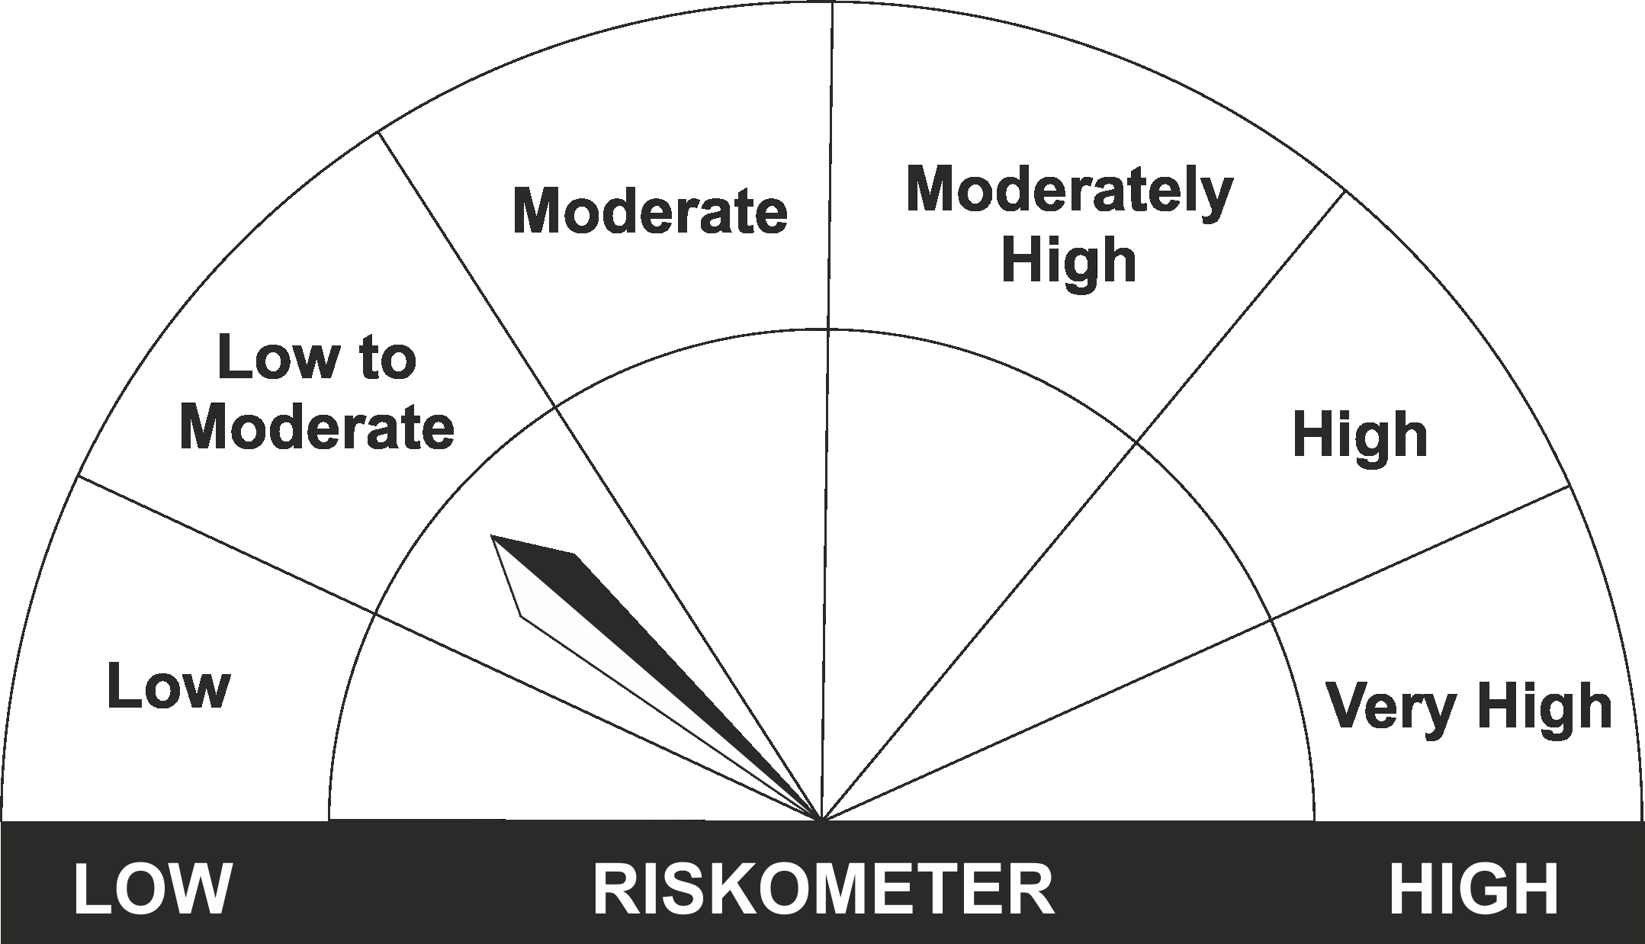
•Income for short term |  | CRISIL Liquid Fund BI Index
•Investment in Debt/Money Market Instruments with maturity of upto 91 days.
•Risk – Low to Moderate |  | •Risk – Low to Moderate
“The Scheme and Benchmark riskometer disclosed above is latest available riskometer, for any updates please visit the AMC’s website (https://www.licmf.com/downloads/risk-o-meter-disclosure).

*Investors should consult their financial advisers if in doubt about whether the product is suitable for them.
Mutual Fund investments are subject to market risks, read all scheme related documents carefully.

 | Potential Risk Class
LIC MF Liquid Fund | Credit Risk | Relatively Low (Class A) | Moderate (Class B) | Relatively High (Class C)
 | Interest Rate Risk
 | Relatively Low (Class I) |  | B-I
 | Moderate (Class II)
 | Relatively High (Class III)

 | Portfolio Information
Scheme Name : | LIC MF Liquid Fund
Description (if any) | Liquid Fund
Annualised Portfolio YTM* : | 7.40
Macaulay Duration | 0.13
Residual Maturity | 0.13
As on (Date) | 31st December 2023

